Requirement
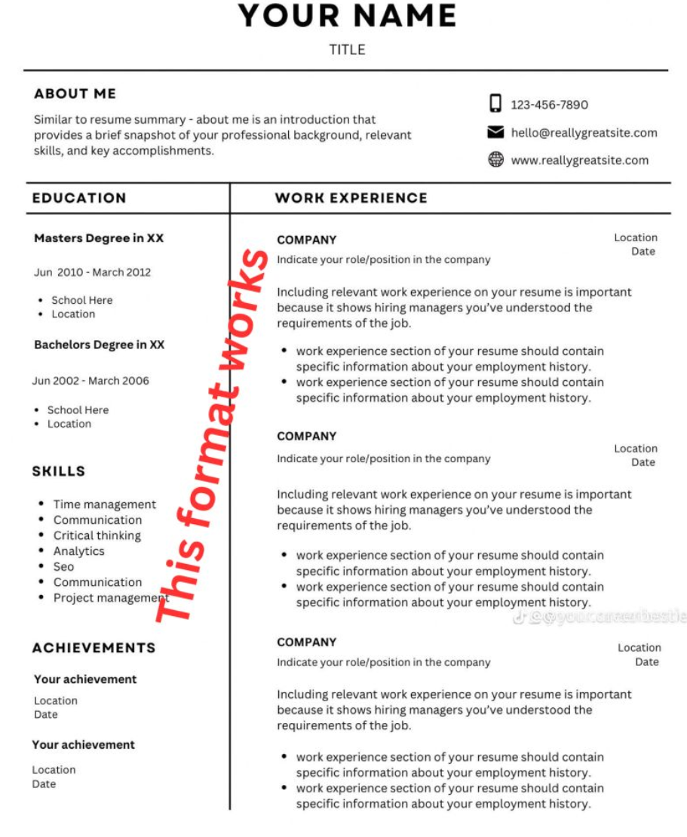
https://resume-score-whisperer.lovable.app/
https://subtle-naiad-537e48.netlify.app/

What Will Make You Successful | Read the attached doc thorouly and add the below experenice for attached doc and give the doc link with newly added content with the same existing font, size and allignment

Min. 2 years of experience working as a test engineer | QA Automation tester 1 yr-QnQ healthcare private limited, villupuram and chennai,
Experience in writing automated tests in TypeScript/JavaScript
Experience with test automation tools: Playwright | Project, ERP Pos and ai app builder
Knowledge of all phases of test lifecycle
Knowledge of documenting standards, practice guidelines and/or standards
Experience with test design
Experience with using source control systems
Experience in development on Windows/Linux platforms
Demonstrated experience with scripting tools
Demonstrated experience with build environments and delivery pipelines
Demonstrated experience with programming or scripting
Experience with database technology
Good oral and written communications skills that demonstrate a professional demeanor and the ability to interact with others with discretion and tact

Analyze this resume and provide an ATS compatibility score on a scale of 0-100. Include a detailed breakdown of the following:

1. Calculate the ATS score based on:
- Keyword matching with job requirements
- Resume formatting and structure
- Use of standard section headings
- File format compatibility
- Proper use of bullet points and spacing

2. If the score is below 70, provide specific recommendations for:
- Missing keywords and skills
- Formatting improvements
- Section organization
- Content optimization
- File format suggestions

3. Generate a bullet-point list of actionable improvements, prioritized by impact

Please ensure the analysis includes both quantitative scoring and qualitative feedback for improvement.

